HDVs and Motorcycles
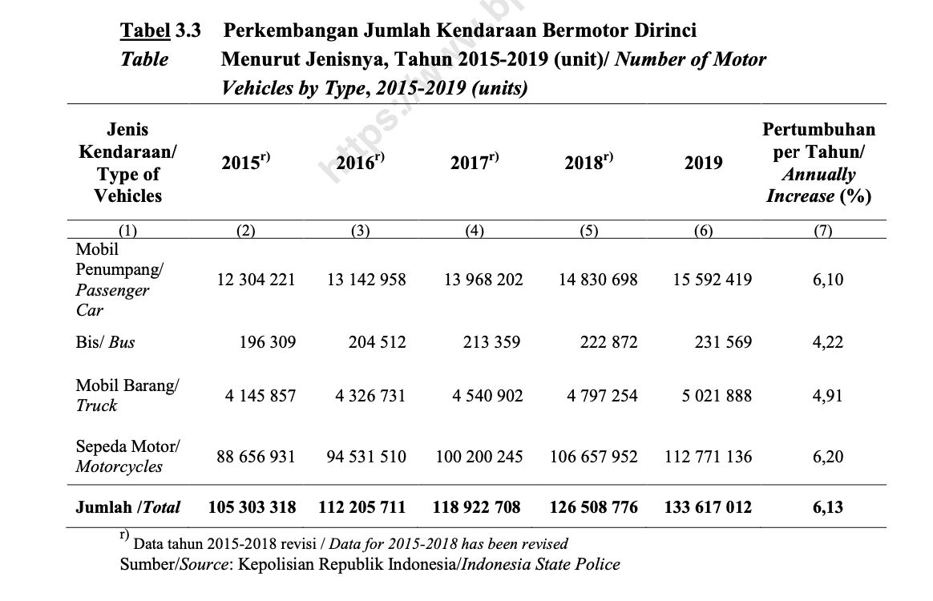

Number of Motor Vehicles in Indonesia by Type, 2015-2019
Type of Vehicles | 2015 | 2016 | 2017 | 2018 | 2019
Buses | 196,309 | 204,512 | 213,359 | 222,872 | 231,569
Trucks | 4,145,857 | 4,326,731 | 4,540,902 | 4,797,254 | 5,021,888
Motorcycles | 88,656,931 | 94,531,510 | 100,200,245 | 106,657,952 | 112,771,136
Source: https://www.bps.go.id/publication/2020/11/20/ddce434c92536777bf07605d/statistik-transportasi-darat-2019.html

Average kilometers traveled by Transportation Mode in Indonesia (Assumption)*
 | 2012 | 2014 | 2016 | 2018 | 2020 | Average
Motorcycles (vehicle km travelled) | 10,000 | 10,000 | 10,000 | 10,000 | 10,000 | 10,000
Buses (vehicle km travelled) | 20,000 | 20,000 | 20,000 | 20,000 | 20,000 | 20,000
Trucks (tonne-kilometers travelled) | 20,000 | 20,000 | 20,000 | 20,000 | 20,000 | 20,000

Total kilometers travelled by Transportation Mode in Indonesia
 | 2015 | 2016 | 2017 | 2018 | 2019 | 2020 | 2021 | 2022 | 2023 | 2024 | 2025 | 2026 | 2027 | 2028 | 2029 | 2030 | 2031 | 2032 | 2033 | 2034 | 2035 | 2036 | 2037 | 2038 | 2039 | 2040 | 2041 | 2042 | 2043 | 2044 | 2045 | 2046 | 2047 | 2048 | 2049 | 2050
Buses | 3,926,180,000 | 4,090,240,000 | 4,267,180,000 | 4,457,440,000 | 4,631,380,000 | 4,807,764,000 | 4,990,575,200 | 5,170,002,160 | 5,346,728,128 | 5,527,170,222 | 5,706,937,554 | 5,885,250,484 | 6,064,429,532 | 6,244,148,105 | 6,423,021,502 | 6,602,077,090 | 6,781,458,898 | 6,960,623,341 | 7,139,682,147 | 7,318,932,858 | 7,498,135,302 | 7,677,265,207 | 7,856,448,837 | 8,035,652,589 | 8,214,812,858 | 8,393,985,706 | 8,573,174,545 | 8,752,350,267 | 8,931,522,306 | 9,110,704,174 | 9,289,882,809 | 9,469,057,950 | 9,648,236,262 | 9,827,415,207 | 10,006,591,936 | 10,185,769,486
Trucks | 82,917,140,000 | 86,534,620,000 | 90,818,040,000 | 95,945,080,000 | 100,437,760,000 | 104,666,038,000.00 | 109,111,208,000.00 | 113,556,378,000.00 | 118,001,548,000.00 | 122,446,718,000.00 | 126,891,888,000.00 | 131,337,058,000.00 | 135,782,228,000.00 | 140,227,398,000.00 | 144,672,568,000.00 | 149,117,738,000.00 | 153,562,908,000.00 | 158,008,078,000.00 | 162,453,248,000.00 | 166,898,418,000.00 | 171,343,588,000.00 | 175,788,758,000.00 | 180,233,928,000.00 | 184,679,098,000.00 | 189,124,268,000.00 | 193,569,438,000.00 | 198,014,608,000.00 | 202,459,778,000.00 | 206,904,948,000.00 | 211,350,118,000.00 | 215,795,288,000.00 | 220,240,458,000.00 | 224,685,628,000.00 | 229,130,798,000.00 | 233,575,968,000.00 | 238,021,138,000.00
Motorcycles | 886,569,310,000 | 945,315,100,000 | 1,002,002,450,000 | 1,066,579,520,000 | 1,127,711,360,000 | 1,186,700,104,000.00 | 1,247,054,956,000.00 | 1,307,409,808,000.00 | 1,367,764,660,000.00 | 1,428,119,512,000.00 | 1,488,474,364,000.00 | 1,548,829,216,000.00 | 1,609,184,068,000.00 | 1,669,538,920,000.00 | 1,729,893,772,000.00 | 1,790,248,624,000.00 | 1,850,603,476,000.00 | 1,910,958,328,000.00 | 1,971,313,180,000.00 | 2,031,668,032,000.00 | 2,092,022,884,000.00 | 2,152,377,736,000.00 | 2,212,732,588,000.00 | 2,273,087,440,000.00 | 2,333,442,292,000.00 | 2,393,797,144,000.00 | 2,454,151,996,000.00 | 2,514,506,848,000.00 | 2,574,861,700,000.00 | 2,635,216,552,000.00 | 2,695,571,404,000.00 | 2,755,926,256,000.00 | 2,816,281,108,000.00 | 2,876,635,960,000.00 | 2,936,990,812,000.00 | 2,997,345,664,000.00
BCDTRtSY HDVs-psgr | 0.8477343686 | 0.8831579356 | 0.9213625313 | 0.9624431595 | 1 | 1.038084545 | 1.077556841 | 1.116298416 | 1.154456799 | 1.193417561 | 1.232232629 | 1.270733666 | 1.309421713 | 1.348226253 | 1.386848305 | 1.425509695 | 1.464241521 | 1.502926415 | 1.5415885 | 1.58029202 | 1.618985119 | 1.657662556 | 1.696351592 | 1.735044973 | 1.773728966 | 1.812415674 | 1.851105836 | 1.889793165 | 1.928479699 | 1.967168355 | 2.005856313 | 2.044543516 | 2.083231404 | 2.121919429 | 2.160606976 | 2.1992947
BCDTRtSY HDVs-frgt | 0.8255574398 | 0.8615745712 | 0.9042220774 | 0.9552690144 | 1 | 1.04209849 | 1.086356446 | 1.130614402 | 1.174872359 | 1.219130315 | 1.263388272 | 1.307646228 | 1.351904184 | 1.396162141 | 1.440420097 | 1.484678053 | 1.52893601 | 1.573193966 | 1.617451922 | 1.661709879 | 1.705967835 | 1.750225792 | 1.794483748 | 1.838741704 | 1.882999661 | 1.927257617 | 1.971515573 | 2.01577353 | 2.060031486 | 2.104289443 | 2.148547399 | 2.192805355 | 2.237063312 | 2.281321268 | 2.325579224 | 2.369837181
BCDTRtSY motorcycles | 0.7861668699 | 0.8382598008 | 0.8885274065 | 0.9457912351 | 1 | 1.052308371 | 1.10582814 | 1.15934791 | 1.212867679 | 1.266387449 | 1.319907218 | 1.373426988 | 1.426946757 | 1.480466526 | 1.533986296 | 1.587506065 | 1.641025835 | 1.694545604 | 1.748065374 | 1.801585143 | 1.855104913 | 1.908624682 | 1.962144452 | 2.015664221 | 2.06918399 | 2.12270376 | 2.176223529 | 2.229743299 | 2.283263068 | 2.336782838 | 2.390302607 | 2.443822377 | 2.497342146 | 2.550861916 | 2.604381685 | 2.657901454

Rail
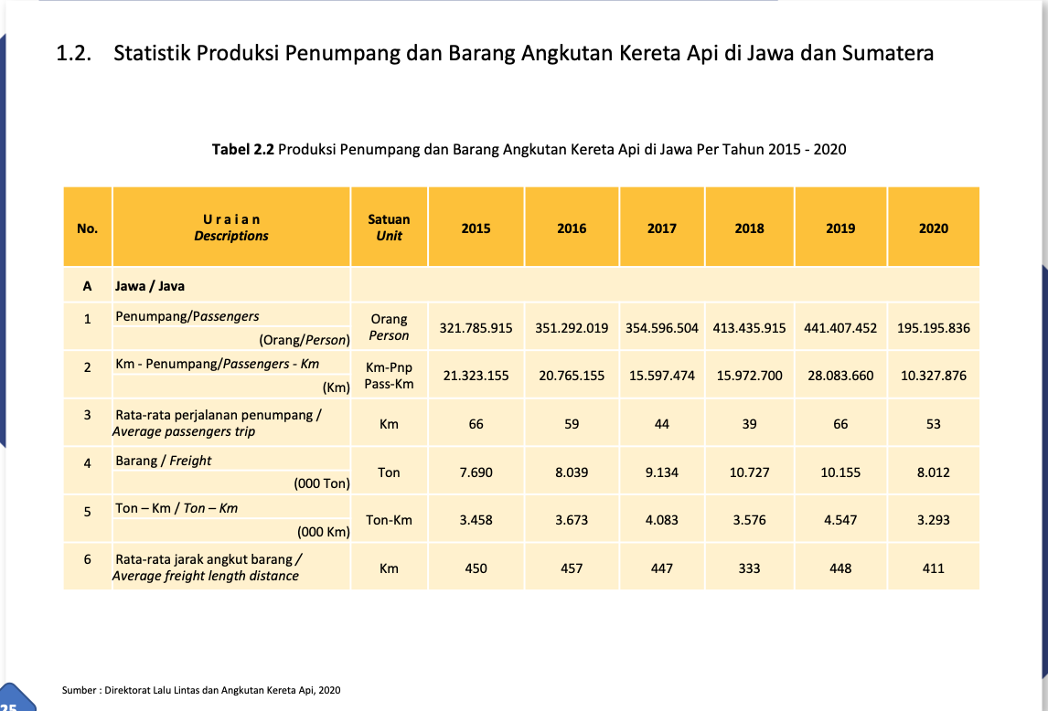
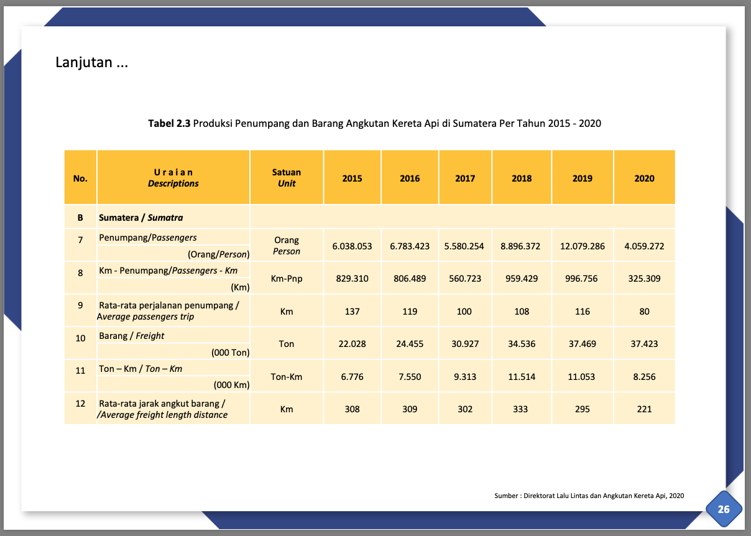
Rail Passenger and Freight Production in Indonesia, 2015-2020
 | 2015 | 2016 | 2017 | 2018 | 2019 | 2020 | 2021 | 2022 | 2023 | 2024 | 2025 | 2026 | 2027 | 2028 | 2029 | 2030 | 2031 | 2032 | 2033 | 2034 | 2035 | 2036 | 2037 | 2038 | 2039 | 2040 | 2041 | 2042 | 2043 | 2044 | 2045 | 2046 | 2047 | 2048 | 2049 | 2050
Passenger kilometers, Java (pass km) | 21,323,155,000 | 20,765,155,000 | 15,597,474,000 | 15,972,700,000 | 28,083,660,000 | 10,327,876,000 | 23,839,850,800 | 24,712,706,300 | 25,585,561,800 | 26,458,417,300 | 27,331,272,800 | 28,204,128,300 | 29,076,983,800 | 29,949,839,300 | 30,822,694,800 | 31,695,550,300 | 32,568,405,800 | 33,441,261,300 | 34,314,116,800 | 35,186,972,300 | 36,059,827,800 | 36,932,683,300 | 37,805,538,800 | 38,678,394,300 | 39,551,249,800 | 40,424,105,300 | 41,296,960,800 | 42,169,816,300 | 43,042,671,800 | 43,915,527,300 | 44,788,382,800 | 45,661,238,300 | 46,534,093,800 | 47,406,949,300 | 48,279,804,800 | 49,152,660,300
Passenger kilometers, Sumatra (pass km) | 829,310,000 | 806,489,000 | 560,723,000 | 959,429,000 | 996,756,000 | 325,309,000 | 1,025,674,200 | 1,074,457,400 | 1,123,240,600 | 1,172,023,800 | 1,220,807,000 | 1,269,590,200 | 1,318,373,400 | 1,367,156,600 | 1,415,939,800 | 1,464,723,000 | 1,513,506,200 | 1,562,289,400 | 1,611,072,600 | 1,659,855,800 | 1,708,639,000 | 1,757,422,200 | 1,806,205,400 | 1,854,988,600 | 1,903,771,800 | 1,952,555,000 | 2,001,338,200 | 2,050,121,400 | 2,098,904,600 | 2,147,687,800 | 2,196,471,000 | 2,245,254,200 | 2,294,037,400 | 2,342,820,600 | 2,391,603,800 | 2,440,387,000
Total | 22,152,465,000 | 21,571,644,000 | 16,158,197,000 | 16,932,129,000 | 29,080,416,000 | 10,653,185,000 | 24,865,525,000 | 25,787,163,700 | 26,708,802,400 | 27,630,441,100 | 28,552,079,800 | 29,473,718,500 | 30,395,357,200 | 31,316,995,900 | 32,238,634,600 | 33,160,273,300 | 34,081,912,000 | 35,003,550,700 | 35,925,189,400 | 36,846,828,100 | 37,768,466,800 | 38,690,105,500 | 39,611,744,200 | 40,533,382,900 | 41,455,021,600 | 42,376,660,300 | 43,298,299,000 | 44,219,937,700 | 45,141,576,400 | 46,063,215,100 | 46,984,853,800 | 47,906,492,500 | 48,828,131,200 | 49,749,769,900 | 50,671,408,600 | 51,593,047,300
BCDTRtSY Rail-psgr | 0.7617657533 | 0.7417928272 | 0.5556384407 | 0.5822519527 | 1 | 0.3663353715 | 0.8550608423 | 0.8867536042 | 0.9184463661 | 0.950139128 | 0.9818318899 | 1.013524652 | 1.045217414 | 1.076910176 | 1.108602937 | 1.140295699 | 1.171988461 | 1.203681223 | 1.235373985 | 1.267066747 | 1.298759509 | 1.330452271 | 1.362145033 | 1.393837794 | 1.425530556 | 1.457223318 | 1.48891608 | 1.520608842 | 1.552301604 | 1.583994366 | 1.615687128 | 1.64737989 | 1.679072652 | 1.710765413 | 1.742458175 | 1.774150937

Ton kilometers, Java (ton km) | 3,458,000,000 | 3,673,000,000 | 4,083,000,000 | 3,576,000,000 | 4,547,000,000 | 3,293,000,000
Ton kilometers, Sumatra (ton km) | 6,776,000,000 | 7,550,000,000 | 9,313,000,000 | 11,514,000,000 | 11,053,000,000 | 8,256,000,000
Total | 10,234,000,000 | 11,223,000,000 | 13,396,000,000 | 15,090,000,000 | 15,600,000,000 | 11,549,000,000 | 18,948,200,000 | 20,408,100,000 | 21,868,000,000 | 23,327,900,000 | 24,787,800,000 | 26,247,700,000 | 27,707,600,000 | 29,167,500,000 | 30,627,400,000 | 32,087,300,000 | 33,547,200,000 | 35,007,100,000 | 36,467,000,000 | 37,926,900,000 | 39,386,800,000 | 40,846,700,000 | 42,306,600,000 | 43,766,500,000 | 45,226,400,000 | 46,686,300,000 | 48,146,200,000 | 49,606,100,000 | 51,066,000,000 | 52,525,900,000 | 53,985,800,000 | 55,445,700,000 | 56,905,600,000 | 58,365,500,000 | 59,825,400,000 | 61,285,300,000
BCDTRtSY Rail-frgt | 0.656025641 | 0.7194230769 | 0.8587179487 | 0.9673076923 | 1 | 0.7403205128 | 1.214628205 | 1.308211538 | 1.401794872 | 1.495378205 | 1.588961538 | 1.682544872 | 1.776128205 | 1.869711538 | 1.963294872 | 2.056878205 | 2.150461538 | 2.244044872 | 2.337628205 | 2.431211538 | 2.524794872 | 2.618378205 | 2.711961538 | 2.805544872 | 2.899128205 | 2.992711538 | 3.086294872 | 3.179878205 | 3.273461538 | 3.367044872 | 3.460628205 | 3.554211538 | 3.647794872 | 3.741378205 | 3.834961538 | 3.928544872
Source: https://djka.dephub.go.id/uploads/202104/Buku_Statistik_DJKA_Thn_2020_FINAL.pdf

Aircraft
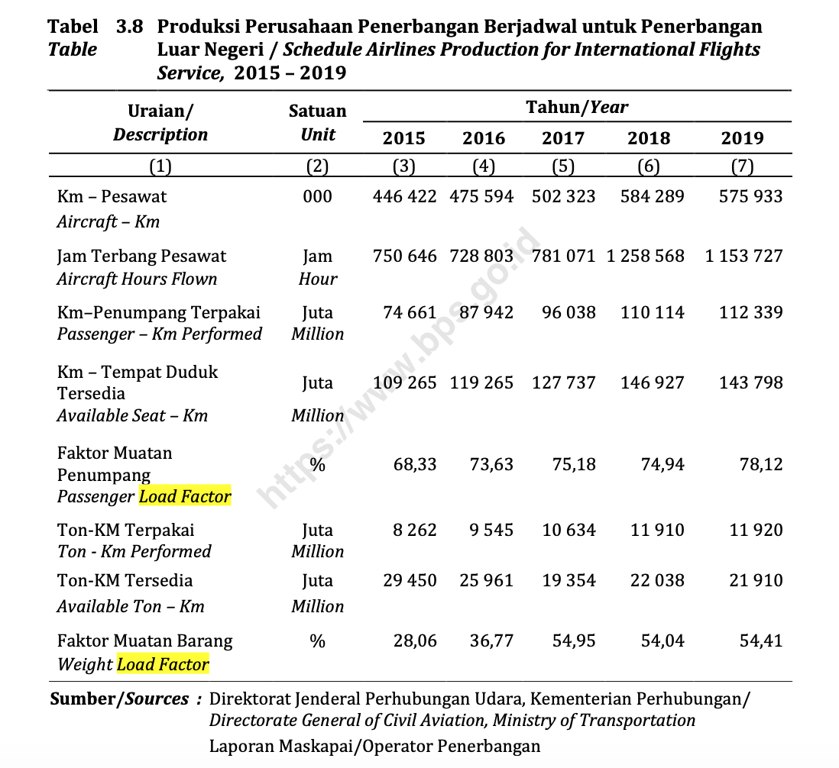
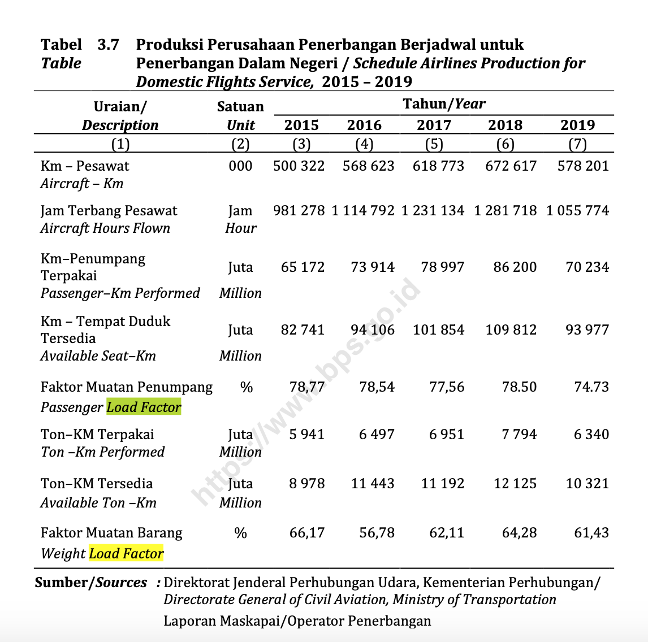
Aircraft Key Indicators
 | 2015 | 2016 | 2017 | 2018 | 2019 | 2020 | 2021 | 2022 | 2023 | 2024 | 2025 | 2026 | 2027 | 2028 | 2029 | 2030 | 2031 | 2032 | 2033 | 2034 | 2035 | 2036 | 2037 | 2038 | 2039 | 2040 | 2041 | 2042 | 2043 | 2044 | 2045 | 2046 | 2047 | 2048 | 2049 | 2050
Domestic passenger aircraft distance travelled (million km) | 65,172.00 | 73,914.00 | 78,997.00 | 86,200.00 | 70,234.00 | 81,626.40 | 83,867.40 | 86,108.40 | 88,349.40 | 90,590.40 | 92,831.40 | 95,072.40 | 97,313.40 | 99,554.40 | 101,795.40 | 104,036.40 | 106,277.40 | 108,518.40 | 110,759.40 | 113,000.40 | 115,241.40 | 117,482.40 | 119,723.40 | 121,964.40 | 124,205.40 | 126,446.40 | 128,687.40 | 130,928.40 | 133,169.40 | 135,410.40 | 137,651.40 | 139,892.40 | 142,133.40 | 144,374.40 | 146,615.40 | 148,856.40
International passenger aircraft distance travelled (million km) | 74,661.00 | 87,942.00 | 96,083.00 | 110,114.00 | 112,339.00 | 125,486.20 | 135,239.00 | 144,991.80 | 154,744.60 | 164,497.40 | 174,250.20 | 184,003.00 | 193,755.80 | 203,508.60 | 213,261.40 | 223,014.20 | 232,767.00 | 242,519.80 | 252,272.60 | 262,025.40 | 271,778.20 | 281,531.00 | 291,283.80 | 301,036.60 | 310,789.40 | 320,542.20 | 330,295.00 | 340,047.80 | 349,800.60 | 359,553.40 | 369,306.20 | 379,059.00 | 388,811.80 | 398,564.60 | 408,317.40 | 418,070.20
Total passenger aircraft distance travelled | 139,833.00 | 161,856.00 | 175,080.00 | 196,314.00 | 182,573.00 | 207,112.60 | 219,106.40 | 231,100.20 | 243,094.00 | 255,087.80 | 267,081.60 | 279,075.40 | 291,069.20 | 303,063.00 | 315,056.80 | 327,050.60 | 339,044.40 | 351,038.20 | 363,032.00 | 375,025.80 | 387,019.60 | 399,013.40 | 411,007.20 | 423,001.00 | 434,994.80 | 446,988.60 | 458,982.40 | 470,976.20 | 482,970.00 | 494,963.80 | 506,957.60 | 518,951.40 | 530,945.20 | 542,939.00 | 554,932.80 | 566,926.60
Freight aircraft ton distance travelled(million ton-km) | 758.70 | 974.50 | 1,052.30 | 1,131.90 | 981.70 | 1,071.69 | 1,111.78 | 1,151.87 | 1,191.96 | 1,232.05 | 1,272.14 | 1,312.23 | 1,352.33 | 1,392.42 | 1,432.51 | 1,472.60 | 1,512.69 | 1,552.78 | 1,592.87 | 1,632.96 | 1,673.05 | 1,713.14 | 1,753.23 | 1,793.32 | 1,833.41 | 1,873.50 | 1,913.59 | 1,953.68 | 1,993.77 | 2,033.86 | 2,073.95 | 2,114.04 | 2,154.13 | 2,194.22 | 2,234.31 | 2,274.40
Reference-psgr | 182,573.00 | 182,573.00 | 182,573.00 | 182,573.00 | 182,573.00 | 182,573.00 | 182,573.00 | 182,573.00 | 182,573.00 | 182,573.00 | 182,573.00 | 182,573.00 | 182,573.00 | 182,573.00 | 182,573.00 | 182,573.00 | 182,573.00 | 182,573.00 | 182,573.00 | 182,573.00 | 182,573.00 | 182,573.00 | 182,573.00 | 182,573.00 | 182,573.00 | 182,573.00 | 182,573.00 | 182,573.00 | 182,573.00 | 182,573.00 | 182,573.00 | 182,573.00 | 182,573.00 | 182,573.00 | 182,573.00 | 182,573.00
Reference-frgt | 981.70 | 981.70 | 981.70 | 981.70 | 981.70 | 981.70 | 981.70 | 981.70 | 981.70 | 981.70 | 981.70 | 981.70 | 981.70 | 981.70 | 981.70 | 981.70 | 981.70 | 981.70 | 981.70 | 981.70 | 981.70 | 981.70 | 981.70 | 981.70 | 981.70 | 981.70 | 981.70 | 981.70 | 981.70 | 981.70 | 981.70 | 981.70 | 981.70 | 981.70 | 981.70 | 981.70
BCDTRtSY Aircraft-psgr | 0.7659018584 | 0.8865275807 | 0.9589588822 | 1.075263045 | 1 | 1.134409798 | 1.200102973 | 1.265796147 | 1.331489322 | 1.397182497 | 1.462875672 | 1.528568846 | 1.594262021 | 1.659955196 | 1.725648371 | 1.791341546 | 1.85703472 | 1.922727895 | 1.98842107 | 2.054114245 | 2.119807419 | 2.185500594 | 2.251193769 | 2.316886944 | 2.382580119 | 2.448273293 | 2.513966468 | 2.579659643 | 2.645352818 | 2.711045993 | 2.776739167 | 2.842432342 | 2.908125517 | 2.973818692 | 3.039511866 | 3.105205041
BCDTRtSY Aircraft-frgt | 0.7728430274 | 0.9926657838 | 1.071916064 | 1.152999898 | 1 | 1.091670732 | 1.132508362 | 1.173345991 | 1.21418362 | 1.25502125 | 1.295858879 | 1.336696509 | 1.377534138 | 1.418371767 | 1.459209397 | 1.500047026 | 1.540884655 | 1.581722285 | 1.622559914 | 1.663397543 | 1.704235173 | 1.745072802 | 1.785910432 | 1.826748061 | 1.86758569 | 1.90842332 | 1.949260949 | 1.990098578 | 2.030936208 | 2.071773837 | 2.112611467 | 2.153449096 | 2.194286725 | 2.235124355 | 2.275961984 | 2.316799613
Source:
https://www.bps.go.id/publication/2020/11/20/231373341461207b51910a4a/statistik-transportasi-udara-2019.html
International Civil Aviation Organization, Civil Aviation Statistics of the World and ICAO staff https://data.worldbank.org/indicator/IS.AIR.GOOD.MT.K1?locations=ID

